Cover
HANOI UNIVERSITY OF SCIENCE AND TECHNOLOGY
School of Information and communications technology

Test Plan
Version 1.0

AIMS Software
Subject: Software Design and Construction

Nguyen Huu Duc 20215353

Hanoi, November, 2024

Overall Description
2. Overall Description
2.1. General Overview
The system is involved by 3 main actors, with detail described in general use case diagram. This diagram is also used in the SRS of AIMS Software.

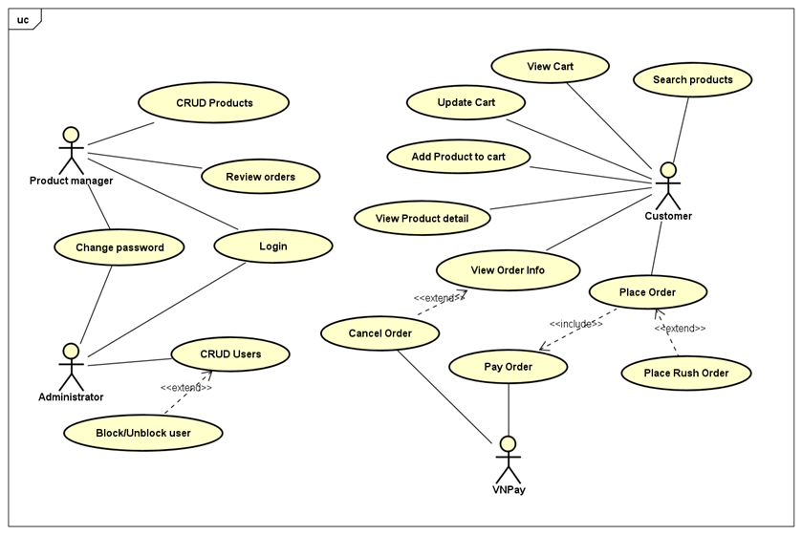

2.2. Assumptions/Constraints/Risks
2.2.1. Assumptions
There are no assumptions with the testing module in this lab

2.2.2. Constraints
There are no constraints with the testing module in this lab
2.2.3. Risks
There are no risks with the testing module in this lab

